Entry by Number(Ju-Jitsu)
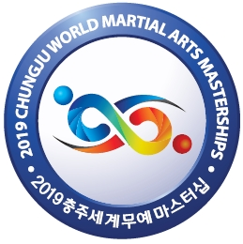
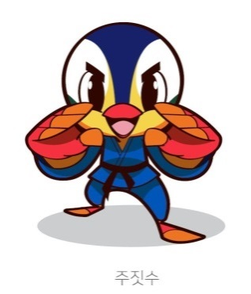
2019 Chungju World Martial Arts Masterships
30 August - 6 September 2019
SPORTS ENTRY FORM BY NUMBER

Country |  |  |  |  |  |  |  | SPORT (Sport Code) |  | Ju-Jitsu (JJ)

Country Code (3-Letter)

Contact Person

E-mail Address

Telephone No.

Fax No.

EVENTS PARTICIPATION BY NUMBERS

check |  | Events |  |  | Athletes |  | Max | Officials |  |  | IMPORTANT
(v) |  |  |  |  | Male | Female |  | Male | Female
 |  | Men (9) | Ju-Jitsu(Ne-Waza) | (-62kg) |  |  | 2 |  |  |  | Please RETURN this form no later than 15th MAY 2019
 |  |  | Ju-Jitsu(Ne-Waza) | (-85kg) |  |  | 2
 |  |  | Ju-Jitsu(Ne-Waza) | (+85kg) |  |  | 2
 |  |  | Fighting | (-62kg) |  |  | 2
 |  |  | Fighting | (-85kg) |  |  | 2
 |  |  | Fighting | (+85kg) |  |  | 2 |  |  |  | to |  | mail@jjif.org
 |  |  | Contact | (-69kg) |  |  | 2
 |  |  | Contact | (-94kg) |  |  | 2
 |  |  | Duo | (Men) |  |  | 4
 |  | Women (6) | Ju-Jitsu(Ne-Waza) | (-52kg) |  |  | 2
 |  |  | Ju-Jitsu(Ne-Waza) | (-70kg) |  |  | 2
 |  |  | Fighting | (-52kg) |  |  | 2
 |  |  | Fighting | (-70kg) |  |  | 2
 |  |  | Contact | (-63kg) |  |  | 2
 |  |  | Duo | (Women) |  |  | 4
TOTAL |  |  |  |  | 0 | 0 | 34 | 0 | 0

Each National Federation may enter 2 athlete in each event. Each National Federation may enter a maximum of (18) men/teams and (12) women/teams athletes in Ju-Jitsu. • Age Limitation: Only athletes of 18 years and older are eligible to participate in Ju-Jitsu competition. (born on December 31, 2001 or before) • The number of officials per each National Federation or Association is not able to exceed 50% of the number of athletes. • National Federations that withdraw their athletes or teams after the submission of the final submission of the final entries by name will be subject to disciplinary action by the JJIF.

VERIFICATION & CONFIRMATION

NF | National Federation | e.g.) Korea Ju-Jitsu Association |  |  |  |  |  |  |  |  |  | NF

 | Designation | e.g.) President

 | Name

 | Signature of President

 |  |  |  |  |  |  |  |  |  |  |  |  | Official Seal

CONTACT INFORMATION
2019 WMOC (World Martial Arts Masterships Oganizing Committee)
Address: 85, Daerim-ro, Chungju-si, Chungcheongbuk-do, 27477, Republic of Korea
e-mail: entry.chungju2019@gmail.com |  |  |  |  | Tel: +82 43 251 4036 |  |  |  |  |  | Fax: +82 43 251 4049
JJIF (Ju-Jitsu International Federation)
Address: P.O. Box 110006, 17th Floor, Capital Tower, Abu Dhabi, UAE
e-mail: mail@jjif.org |  |  |  |  | Tel: +30 6974755473

